Construction ONet Codes
Sector | ONET CODE | Title | Key Roles | Key Words |  |  |  | Building Construction | Heavy Highway Construction | Construction Managers | Building Construction | Heavy Highway Construction | Construction Managers
BC | 11-9021.00 | Construction Managers | Overseeing entire building projects, budgets, and schedules. | manage, budget, schedule |  |  |  | manage | design | manager | Management | Management | Management
BC | 47-2031.00 | Carpenters | Structural framing, building forms, and interior woodwork. | structural framing, building form, interior woodwork |  |  |  | budget | supervise | superintendent | Structural | Heavy Equipment
BC | 47-2111.00 | Electricians | Installing power systems, lighting, and communications in buildings. | installations, power systems, lighting, communications |  |  |  | schedule | bridge | contractor | Transport | Utilites
BC | 47-2221.00 | Structural Iron and Steel Workers | Erecting the steel skeletons of high-rise commercial buildings. | steel skeletons, high-rise, construction |  |  |  | structural framing | water system | schedule | Utilities | Infranstructure
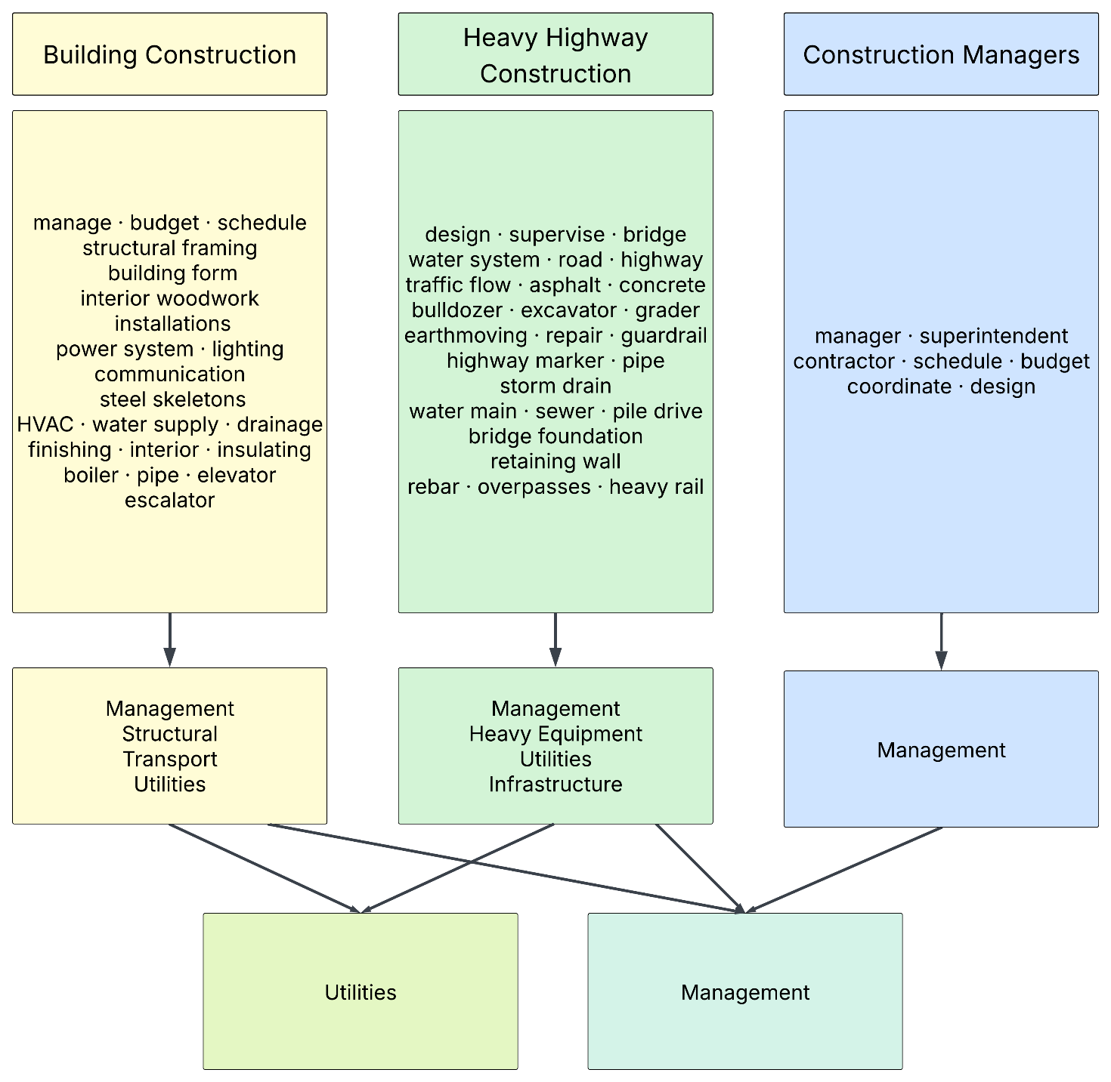
BC | 47-2152.00 | Plumbers & Pipefitters | Commercial HVAC, water supply, and drainage systems. | HVAC, water supply, drainage systems, commercial |  |  |  | building form | road | budget
BC | 47-2081.00 | Drywall & Ceiling Tile Installers | Finishing interior office spaces and retail layouts. | finishing, interior, office spaces, retail |  |  |  | interiror woodwork | highway system | coordinate
BC | 47-2132.00 | Insulation Workers, Mechanical | Insulating commercial boilers, pipes, and HVAC ducts. | insulating, commercial, boilers, pipes, HVAC |  |  |  | installations | traffic flow | design
BC | 47-4021.00 | Elevator & Escalator Installers | Essential for multi-story commercial structures. | elevator, escalator, multi-story, commercial |  |  |  | power system | operating machinery
HHC | 17-2051.00 | Civil Engineers | Designing and supervising roads, bridges, and water systems. | designing, supervising, bridges, water systems, roads |  |  |  | lighting | asphalt
HHC | 17-2051.01 | Transportation Engineers | Specialized planning for highway systems and traffic flow. | highway system, traffic flow |  |  |  | communication | concrete
HHC | 47-2071.00 | Paving & Tamping Operators | Operating machines that spread and level asphalt or concrete. | operating machinery, asphalt, concrete |  |  |  | steel skeletions | bulldozer
HHC | 47-2073.00 | Operating Engineers | Operating bulldozers, excavators, and graders for earthmoving. | bulldozers, excavators, graders, earthmoving |  |  |  | construction | excavator
HHC | 47-4051.00 | Highway Maintenance Workers | Repairing roads, guardrails, and highway markers. | repairing, roads, guardrails, highway markers |  |  |  | HVAC | grader
HHC | 47-2151.00 | Pipelayers | Laying pipes for storm drains, water mains, and sewers. | laying pipes, storm drains, water mains, sewers |  |  |  | water supply | earthmoving
HHC | 47-2072.00 | Pile Driver Operators | Driving pilings for bridge foundations and retaining walls. | pile driving, bridge foundations, retaining walls |  |  |  | dranage system | repair
HHC | 47-2171.00 | Reinforcing Iron & Rebar Workers | Laying rebar for bridge decks and highway overpasses. | Rebar, bridge decks, overpasses |  |  |  | finishing | road
HHC | 47-4061.00 | Rail-Track Laying Equipment | Specialized for heavy rail and transit infrastructure. | heavy rail, transit infrastructure |  |  |  | interior | guardrail
CM | 11-9021.00 | Construction Managers | The "Gold Standard" code. Covers Project Managers, Superintendents, and General Contractors. | Project Managers, Superintendents, General Contractors |  |  |  | insulating | highway marker
CM | 47-1011.00 | First-Line Supervisors | Direct "on-the-ground" management of trade workers (Carpentry, Electric, etc.). | Carpentry, Electrical, on-site |  |  |  | boiler | pipe
CM | 13-1082.00 | Project Management Specialists | Broad management focusing on schedule/budget; often used for "Project Coordinators." | Project Coordinators, schedules, budgeting |  |  |  | pipe | storm drain
CM | 11-9041.00 | Architectural & Engineering Managers | Managing the design-phase and technical engineering teams. | managing design, managing teams |  |  |  | elevator | water main
CM | 11-3013.00 | Facilities Managers | Managing the maintenance and life-cycle of a building after construction. | managing maintenance |  |  |  | escalator | sewer
 |  |  |  |  |  |  |  |  | pile drive
 |  |  |  |  |  |  |  |  | bridge foundation
 |  |  |  |  |  |  |  |  | retaining wall
ONET Code | Title |  | Related Sector |  |  |  |  |  | rebar
595 | Arborist |  | N/A |  |  |  |  |  | bridge deck
90380 | Bridge Carpenter/Heavy Highway |  | HHC |  |  |  |  |  | overpasses
90415 | Construction Carpenter |  | BC |  |  |  |  |  | heavy rail
90708 | Construction Craft Concrete Laborer |  | HHC |  |  |  |  |  | transit infrastructure
90699 | Construction Craft Heavy / Highway Laborer |  | HHC
90050 | Construction Equipment Operator |  | HHC
91055 | Construction Specialist |  | BC, HHC, CM
90885 | Crane Mechanic |  | BC, HHC
90949 | Crane Operator |  | BC, HHC | Sector | Number of Job Titles per Sector | Sector | Number of Apprenticeship Opportunities
90966 | Earthworks Laborer |  | HHC | Construction Managers | 5 | Construction Managers | 2
90046 | Electrician |  | BC | Heavy Highway Construction | 9 | Heavy Highway Construction | 10
91066 | Fencing Installer |  | BC | Building Construction | 8 | Building Construction | 11
91123 | Firestopping Installer |  | BC | Misc. | 0 | Misc. | 2
Number of Apprenticeships and Jobs per Sector
91124 | Firestopping Technician |  | BC
91056 | Foreman |  | BC, HHC, CM
91014 | Lead Logging Equipment Operator |  | N/A
91125 | Marine Carpenter - Heavy Civil |  | HHC
90700 | Solar Mechanical Installation Technician |  | BC
90884 | Welder |  | BC

Community College Programs
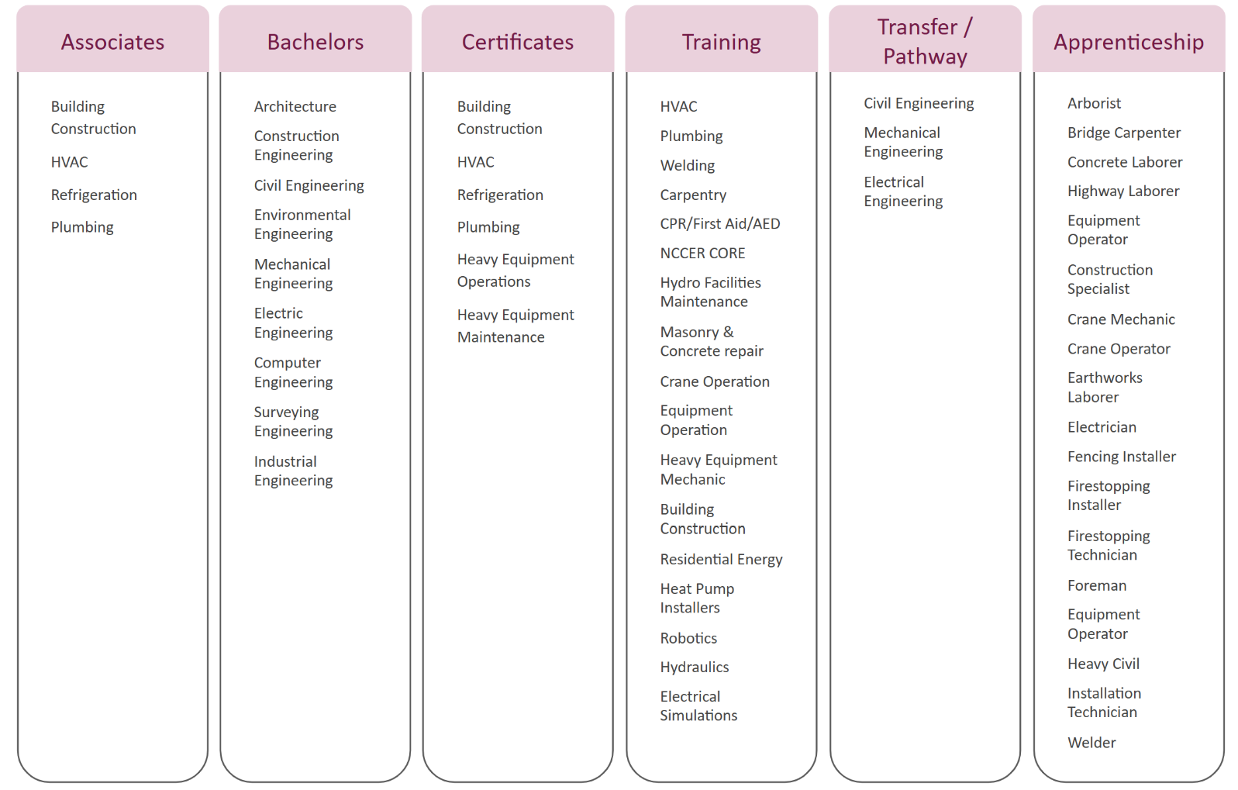
Sector | College/Initiative | Length | Level | Program Name/Focus | Usage | Link
MCCCDP | CMCC | Certificate: 28, Degree: 64 | Entry-Level | Building Construction Technology | AAS Degree, Certificate | https://www.cmcc.edu/academics/programs/programs-of-study/building-construction-technology/
MCCCDP | CMCC | Certificate: 33, Degree: 64 | Entry-Level | HVAC/R Technology | AAS Degree, Certificate | https://www.cmcc.edu/academics/programs/programs-of-study/hvacr/
MCCCDP | CMCC | Certificate: 32, Degree: 63 | Entry-Level | Plumbing & Heating Technology | AAS Degree | https://www.cmcc.edu/academics/programs/programs-of-study/plumbing-and-heating-technology/
MCCCDP | EMCC | Certificate: 33, Degree: 61 | Entry-Level | Building Construction | AAS Degree, Certificate | https://www.emcc.edu/academics/programs/programs-of-study/building-construction/
MCCCDP | EMCC | Certificate: 33 | Entry-Level | Plumbing | Certificate | https://www.emcc.edu/academics/programs/programs-of-study/plumbing/
MCCCDP | EMCC | Certifcicate: 34, Degree: 64 | Entry-Level | Refrigeration, AC & Heating | AAS Degree, Certificate | https://www.emcc.edu/academics/programs/programs-of-study/refrigeration-air-conditioning-heating/
MCCCDP | KVCC | Degree: 62 | Entry-Level | Plumbing & Heating | AAS Degree | https://www.kvcc.me.edu/academics/programs-of-study/plumbing-heating/
MCCCDP | KVCC | Certificate: 24 | Entry-Level | Plumbing | Certificate | https://www.kvcc.me.edu/academics/programs-of-study/plumbing/
MCCCDP | NMCC | Certificate: 29, Degree: 60 | Entry-Level | Building Construction Tech | AAS Degree, Certificate | https://www.nmcc.edu/academics/programs/academic-programs/building-construction-technology/
MCCCDP | NMCC | Certificate: 27, Degree: 65 | Entry-Level | Plumbing & Heating | AAS Degree, Certificate | https://www.nmcc.edu/academics/programs/academic-programs/plumbing-heating/
MCCCDP | SMCC | Degree: 61 | Entry-Level | Construction Technology | AAS Degree | https://www.smccme.edu/academics/pathways/industrial-technology-transportation/construction-technology-associate-degree/
MCCCDP | WCCC | Certificate: 34 | Entry-Level | Heavy Equipment Operations | Certificate | https://wccc.me.edu/academics/programs/programs-study/heavy-equipment-operations/
MCCCDP | WCCC | Certificate: 30 | Entry-Level | Heavy Equipment Maintenance | Certificate | https://wccc.me.edu/academics/programs/programs-study/heavy-equipment-maintenance/
MCCCDP | YCCC | 320 Hours | Entry-Level | Industrial Welding Techniques | Short-term Training | https://www.yccc.edu/degree/industrialweldingtechniques/
CEWI | Maine Construction Academy (MCA) | 4 weeks | Entry-Level | 4-week, tuition-free, intensive training, high-demand trades, hands-on skills, guaranteed interviews | immediate entry | https://buildingmaine.com/immersion-program
CEWI | Alfond Center: Trades Track | Varies | All Levels | short-term, certifications, Carpentry, HVAC, Plumbing, Welding, covers cost 50-100% | Current workers, career changers | https://alfondcenter.mccs.me.edu/construction
CEWI | Transfer ME (Pre-Engineering) | N/A | Transfer | transfer pathway, need 30+ credits | Aspiring Civil Engineers, Aspiring Mechanical Engineers, Aspiring Electrical Engineers | https://legislature.maine.gov/doc/12341
CEWI | TREC Program | Varies | All Levels | Training, Residential Energy Contractors, HVAC technicians, heat pump installers, CMCC, EMCC, WCCC, NMCC. | HVAC specialists, Energy Efficiency specialists | https://www.maine.gov/energy/initiatives/infrastructure/contractor-training-grants
CEWI | Maine Workforce Development Compact | Varies | Experienced | $1,200, construction firms, train, safety, project management, technical skills. | Construction company owners/managers | https://www.mccs.me.edu/workforce-training/maine-workforce-development-compact/
CEWI | Advanced Technology Centers | Varies | Experienced | Hands-on, SMCC (Brunswick), Robotics, Hydraulics, Electrical Simulation, training. | Engineering technicians, automated builders | https://www.smccme.edu/wp-content/uploads/2025/12/AdvancedConstruction_251203_01.pdf

 |  | Avg degree length | 62 Credit Hours
 |  | Avg certificant length | 30 Credit Hours

 |  |  | Usage | Number of Programs Available |  | Associates | Bachelors | Certificates | Training | Transfer/Pathway | Apprenticeship
 |  |  | Associates | 9 |  | Building Construction | Architecture | Building Construction | HVAC | Civil Engineering | Arborist
 |  |  | Bachelors | 9 |  | HVAC | Construction Engineering | HVAC | Plumbing | Mechanical Engineering | Bridge Carpenter
 |  |  | Certificate | 10 |  | Refrigeration | Civil Engineering | Refrigeration | Welding | Electrical Engineering | Concrete Laborer
 |  |  | Training | 5 |  | Plumbing | Environmental Engineering | Plumbing | Carpentry |  | Highway Laborer
 |  |  | Transfer/Pathways | 2 |  |  | Mechanical Engineering | Heavy Equipment Operations | CPR/First Aid/AED |  | Equipment Operator
 |  |  | Apprenticeship | 19 |  |  | Electric Engineering | Heavy Equipment Maitenance | NCCER CORE |  | Construction Specialist
 |  |  |  |  |  |  | Computer Engineering |  | Hydro Facilities Maitenence |  | Crane Mechanic
 |  |  |  |  |  |  | Surveying Engineering |  | Masonry & Concrete repair |  | Crane Operator
 |  |  |  |  |  |  | Industrial Engineering |  | Crane Operation |  | Earthworks Laborer
 |  |  |  |  |  |  |  |  | Equipment Operation |  | Electrician
 |  |  |  |  |  |  |  |  | Heavy Equipment Mechanic |  | Fencing Installer
 |  |  |  |  |  |  |  |  | Building Construction |  | Firestopping Installer
 |  |  |  |  |  |  |  |  | Residential Energy |  | Firestopping Technician
 |  |  |  |  |  |  |  |  | Heat Pump Installers |  | Foreman
 |  |  |  |  |  |  |  |  | Robotics |  | Equipment Operator
 |  |  |  |  |  |  |  |  | Hydraulics |  | Heavy Civil
 |  |  |  |  |  |  |  |  | Electrical Simulations |  | Installation Technician
 |  |  |  |  |  |  |  |  |  |  | Welder

AGC Sponsored Apprenticeships
ONET Code | Title | Term Hours
595 | Arborist | 6000
90380 | Bridge Carpenter/Heavy Highway | 4000
90415 | Construction Carpenter | 5000
Hours per Apprentienceship
90708 | Construction Craft Concrete Laborer | 2000
90699 | Construction Craft Heavy / Highway Laborer | 2000
90050 | Construction Equipment Operator | 6000
91055 | Construction Specialist | 4000
90885 | Crane Mechanic | 4750
90949 | Crane Operator | 5000
90966 | Earthworks Laborer | 2000
90046 | Electrician | 8000
91066 | Fencing Installer | 4000
91123 | Firestopping Installer | 2000
91124 | Firestopping Technician | 2000
91056 | Foreman | 4000
91014 | Lead Logging Equipment Operator | 6000
91125 | Marine Carpenter - Heavy Civil | 4000
90700 | Solar Mechanical Installation Technician | 2000
90884 | Welder | 6000

Row Labels | Count of Term Hours
2000 | 6
4000 | 5
4750 | 1
5000 | 2
6000 | 4
8000 | 1
Grand Total | 19

 |  | 4144.7368421

AGC Member list
AGC Member List to be used to search job postings, Linked in profiles, and other public data for project
**not to be used for any other purposes
 |  |  |  |  | Member List | Current Job Openings | Job websites
Type | Member Name |  |  |  | American Defense Industrial | AH Grover | MaineDOT Careers
General Contractors | American Defense Industrial |  |  |  | Arthur C Dudley Contractor | Benchmark Construction | Maine Turnpike Authority
General Contractors | Arthur C Dudley Contractor |  |  |  | Bancroft Contractor Corp | Blane Casey Contractors | Maine.gov Job Board
General Contractors | Bancroft Contractor Corp |  |  |  | Beaupre's Construction LLC | Bowman Constructors | AGC Maine
General Contractors | Beaupre's Construction LLC | Row Labels | Count of Member Name |  | Bedard Excavation | Cianbro | NSPE-Maine
General Contractors | Bedard Excavation | Developer | 2 | 222 | Bowman Constructors | Coastal Road Repair | Cianbro
General Contractors | Bowman Constructors | General Contractors | 60 |  | C. M. Cimino, Inc | Consigli | Sargent
General Contractors | C. M. Cimino, Inc | Service Providers | 58 |  | Carl Huston Excavation | CPM Constructors | Reed & Reed
General Contractors | Carl Huston Excavation | Specialty Contractors | 67 |  | CCB, Inc | Crooker Construction | Sebago Technics
General Contractors | CCB, Inc | Suppliers | 35 |  | CEM DP Porter Contractor | Dayton Sand & Gravel | Haley Ward
Number of Members per Type of Member
General Contractors | CEM DP Porter Contractor | Grand Total | 222 |  | Cianbro Corporation | Dearborn Brothers Construction, Inc. | Live-and-Work-in-Maine
General Contractors | Cianbro Corporation |  |  |  | Coastal Maine General Contracting | Doten’s Construction Inc | Maine Hire-A-Vet
General Contractors | Coastal Maine General Contracting |  |  |  | Consigli Construction | DP Porter Contractors | ConstructionJobs.com
General Contractors | Consigli Construction |  |  |  | CPM Constructors | Ed Pelletier & Sons | iHireConstruction
General Contractors | CPM Constructors |  |  |  | Crooker Construction, LLC | EL Vining | ASCE Career Connections
General Contractors | Crooker Construction, LLC |  |  |  | Dearborn Brothers Construction | Electric Light Company | EngineerJobs.com
General Contractors | Dearborn Brothers Construction |  |  |  | Doten's Construction | FC Works & Sons | CMAA Career HQ
General Contractors | Doten's Construction |  |  |  | E. W. Littlefield Inc. & Sons | Ganneston Construction | AASHTO Jobs
General Contractors | E. W. Littlefield Inc. & Sons |  |  |  | Ed Pelletier & Sons Co. | Gendron | ITE Hire
General Contractors | Ed Pelletier & Sons Co. |  |  |  | Emery Lee & Sons, Inc. | General Contractor Vaughan D Thibodeau | RoadTechs
General Contractors | Emery Lee & Sons, Inc. |  |  |  | Eurovia Atlantic Coast, LLC | Glidden Excavating & Paving | Michael Page Construction
General Contractors | Eurovia Atlantic Coast, LLC |  |  |  | Gendron Corp. | Gordan Contracting | USAJobs.gov
General Contractors | Gendron Corp. |  |  |  | Great Falls Construction | Gorham Sand & Gravel
General Contractors | Great Falls Construction |  |  |  | H. B. Fleming, Inc | Great Falls Builders
General Contractors | H. B. Fleming, Inc |  |  |  | H. E. Callahan Construction Co | Hagar Enterprises
General Contractors | H. E. Callahan Construction Co |  |  |  | Hahnel Bros. Inc. | HE Callahan Construction
General Contractors | Hahnel Bros. Inc. |  |  |  | Hanscom Construction Corp | Hopkins Paving
General Contractors | Hanscom Construction Corp |  |  |  | Harold MacQuinn, Inc | Hughes Brothers
General Contractors | Harold MacQuinn, Inc |  |  |  | Hebert Construction | J Pratt Construction
General Contractors | Hebert Construction |  |  |  | Homes of Acadia | Jordan Excavation
General Contractors | Homes of Acadia |  |  |  | J Pratt Construction | Knowles Industrial
General Contractors | J Pratt Construction |  |  |  | Knowles Industrial Services | Landry French Construction
General Contractors | Knowles Industrial Services |  |  |  | Lajoie Brothers Inc. | Langford & Low
General Contractors | Lajoie Brothers Inc. |  |  |  | Landry/French Construction | Maine Earth
General Contractors | Landry/French Construction |  |  |  | Langford & Low, Inc | McGee Construction
General Contractors | Langford & Low, Inc |  |  |  | Maine Design Build | McGillian
General Contractors | Maine Design Build |  |  |  | Maine Earth | Molison Electric
General Contractors | Maine Earth |  |  |  | McGee Construction | New England Infrastructure
General Contractors | McGee Construction |  |  |  | N.M. Curtis Earthworks | Nickerson & O’Day
General Contractors | N.M. Curtis Earthworks |  |  |  | Nickerson & O'Day, Inc | Peters Construction
General Contractors | Nickerson & O'Day, Inc |  |  |  | Northern Closure Constrution | Pike Industries
General Contractors | Northern Closure Constrution |  |  |  | Optimum Inc. | Pratt & Sons
General Contractors | Optimum Inc. |  |  |  | Ouellet Construction | Prock Marine Co
General Contractors | Ouellet Construction |  |  |  | Patco Construction, Inc | RF Jordan and Sons
General Contractors | Patco Construction, Inc |  |  |  | PC Construction, Inc | RJ Grondin & Sons
General Contractors | PC Construction, Inc |  |  |  | Penobscot General Contractors | Ralph McNaughton Construction
General Contractors | Penobscot General Contractors |  |  |  | Pike Industries, Inc | Ranger Construction
General Contractors | Pike Industries, Inc |  |  |  | PNM Construction Inc. | Reed & Reed
General Contractors | PNM Construction Inc. |  |  |  | Pratt & Sons, Inc | Sargent Corporation
General Contractors | Pratt & Sons, Inc |  |  |  | R. J. Grondin & Sons, Inc | Scott Construction
General Contractors | R. J. Grondin & Sons, Inc |  |  |  | Ranger Contracting | Shaw Brothers Construction
General Contractors | Ranger Contracting |  |  |  | Reed & Reed, Inc | Sheridan Corporation
General Contractors | Reed & Reed, Inc |  |  |  | Sargent Corporation | Soderberg Company
General Contractors | Sargent Corporation |  |  |  | Scott Construction Corporation | Steelstone Industries
General Contractors | Scott Construction Corporation |  |  |  | Shaw Brothers Construction, Inc | T Buck Construction
General Contractors | Shaw Brothers Construction, Inc |  |  |  | Shaw Earthworks, Inc | Wyman & Simpson
General Contractors | Shaw Earthworks, Inc |  |  |  | The Lander Group
General Contractors | The Lander Group |  |  |  | Turner Construction Company
General Contractors | Turner Construction Company |  |  |  | Wright-Ryan Construction, Inc
General Contractors | Wright-Ryan Construction, Inc |  |  |  | Wyman & Simpson, Inc
General Contractors | Wyman & Simpson, Inc |  |  |  | A.D. Electric & Directional Boring
Specialty Contractors | A.D. Electric & Directional Boring |  |  |  | A.H. Grover, Inc
Specialty Contractors | A.H. Grover, Inc |  |  |  | ABM Mechanical, Inc
Specialty Contractors | ABM Mechanical, Inc |  |  |  | Acadia Painting
Specialty Contractors | Acadia Painting |  |  |  | Aceto Earthworks, LLC
Specialty Contractors | Aceto Earthworks, LLC |  |  |  | American Aerial Services, Inc
Specialty Contractors | American Aerial Services, Inc |  |  |  | Atlantic Power Constructors
Specialty Contractors | Atlantic Power Constructors |  |  |  | Badger Daylighting Corp
Specialty Contractors | Badger Daylighting Corp |  |  |  | Bark Bros, Inc.
Specialty Contractors | Bark Bros, Inc. |  |  |  | Black Bear Crane
Specialty Contractors | Black Bear Crane |  |  |  | Bonneau & Son Excavation
Specialty Contractors | Bonneau & Son Excavation |  |  |  | Built by Terry
Specialty Contractors | Built by Terry |  |  |  | C. A. Newcomb & Sons
Specialty Contractors | C. A. Newcomb & Sons |  |  |  | Carver Carpentry & Excavation
Specialty Contractors | Carver Carpentry & Excavation |  |  |  | Chase Excavating Inc.
Specialty Contractors | Chase Excavating Inc. |  |  |  | CMI Concrete Professionals
Specialty Contractors | CMI Concrete Professionals |  |  |  | Comprehensive Land Technologies
Specialty Contractors | Comprehensive Land Technologies |  |  |  | Copiam Asphalt Solutions
Specialty Contractors | Copiam Asphalt Solutions |  |  |  | Cote Crane & Rigging
Specialty Contractors | Cote Crane & Rigging |  |  |  | Coutts Bros
Specialty Contractors | Coutts Bros |  |  |  | Curtis Construction, LLC
Specialty Contractors | Curtis Construction, LLC |  |  |  | Dirigo Materials
Specialty Contractors | Dirigo Materials |  |  |  | Double R Crane
Specialty Contractors | Double R Crane |  |  |  | E. S. Boulos Company
Specialty Contractors | E. S. Boulos Company |  |  |  | Fadden Chipping & Logging, Inc.
Specialty Contractors | Fadden Chipping & Logging, Inc. |  |  |  | FMG Enterprises of New England Inc.
Specialty Contractors | FMG Enterprises of New England Inc. |  |  |  | Gaftek, Inc.
Specialty Contractors | Gaftek, Inc. |  |  |  | Glidden Excavating & Paving
Specialty Contractors | Glidden Excavating & Paving |  |  |  | Gorham Sand & Gravel, Inc
Specialty Contractors | Gorham Sand & Gravel, Inc |  |  |  | Hawkes Tree Service
Specialty Contractors | Hawkes Tree Service |  |  |  | Hird Contracting
Specialty Contractors | Hird Contracting |  |  |  | Hughes Bros, Inc
Specialty Contractors | Hughes Bros, Inc |  |  |  | J McLaughlin Construction LLC
Specialty Contractors | J McLaughlin Construction LLC |  |  |  | Keeley Electrical Contractors
Specialty Contractors | Keeley Electrical Contractors |  |  |  | Louth Callan Renewables
Specialty Contractors | Louth Callan Renewables |  |  |  | Main Line Fence Co., Inc
Specialty Contractors | Main Line Fence Co., Inc |  |  |  | Maine Drilling & Blasting
Specialty Contractors | Maine Drilling & Blasting |  |  |  | Mancini Electric, Inc
Specialty Contractors | Mancini Electric, Inc |  |  |  | Mariner Construction
Specialty Contractors | Mariner Construction |  |  |  | Marston Industrial Services
Specialty Contractors | Marston Industrial Services |  |  |  | Moulison Heavy Electrical
Specialty Contractors | Moulison Heavy Electrical |  |  |  | N. S. Giles, Inc
Specialty Contractors | N. S. Giles, Inc |  |  |  | National Firestopping Solutions
Specialty Contractors | National Firestopping Solutions |  |  |  | NES/NIS/NSS
Specialty Contractors | NES/NIS/NSS |  |  |  | Northern Electric Inc.
Specialty Contractors | Northern Electric Inc. |  |  |  | Ossipee Garage Doors
Specialty Contractors | Ossipee Garage Doors |  |  |  | Pine Tree Fence
Specialty Contractors | Pine Tree Fence |  |  |  | Prashaw Construction LLC
Specialty Contractors | Prashaw Construction LLC |  |  |  | Quirion
Specialty Contractors | Quirion |  |  |  | Ray Labbe & Sons, Inc
Specialty Contractors | Ray Labbe & Sons, Inc |  |  |  | ReVision Energy
Specialty Contractors | ReVision Energy |  |  |  | Sanderfoot Wind & Excavating, Inc.
Specialty Contractors | Sanderfoot Wind & Excavating, Inc. |  |  |  | Sargent Electric Company
Specialty Contractors | Sargent Electric Company |  |  |  | SC Excavation
Specialty Contractors | SC Excavation |  |  |  | Schiavi Leasing
Specialty Contractors | Schiavi Leasing |  |  |  | Seal Tight Waterproofing & Fire Stopping
Specialty Contractors | Seal Tight Waterproofing & Fire Stopping |  |  |  | Sitelines PA
Specialty Contractors | Sitelines PA |  |  |  | Soderberg Company, Inc
Specialty Contractors | Soderberg Company, Inc |  |  |  | South Branch Concrete Construction LLC
Specialty Contractors | South Branch Concrete Construction LLC |  |  |  | Standard Waterproofing, Inc
Specialty Contractors | Standard Waterproofing, Inc |  |  |  | Starrett Snow & Landscape Services
Specialty Contractors | Starrett Snow & Landscape Services |  |  |  | Storey Brothers, Inc.
Specialty Contractors | Storey Brothers, Inc. |  |  |  | Thirsty Turf Irrigation, Inc
Specialty Contractors | Thirsty Turf Irrigation, Inc |  |  |  | Thompson's Tree Service, LLC
Specialty Contractors | Thompson's Tree Service, LLC |  |  |  | Underwood Electric
Specialty Contractors | Underwood Electric |  |  |  | Vortex Companies
Specialty Contractors | Vortex Companies |  |  |  | Woods Excavating, LLC
Specialty Contractors | Woods Excavating, LLC |  |  |  | Advanced Drainage Systems, Inc.
Suppliers | Advanced Drainage Systems, Inc. |  |  |  | American Concrete Industries, Inc.
Suppliers | American Concrete Industries, Inc. |  |  |  | Anderson Equipment
Suppliers | Anderson Equipment |  |  |  | Auburn Concrete
Suppliers | Auburn Concrete |  |  |  | Black Bear Ladder
Suppliers | Black Bear Ladder |  |  |  | Casco Bay Ford
Suppliers | Casco Bay Ford |  |  |  | Chadwick-BaRoss, Inc
Suppliers | Chadwick-BaRoss, Inc |  |  |  | Core and Main
Suppliers | Core and Main |  |  |  | EquipmentShare
Suppliers | EquipmentShare |  |  |  | Everett J Prescott, Inc
Suppliers | Everett J Prescott, Inc |  |  |  | Ferguson Waterworks
Suppliers | Ferguson Waterworks |  |  |  | Gagne & Son Concrete Block
Suppliers | Gagne & Son Concrete Block |  |  |  | Graybar Electric Co. Inc.
Suppliers | Graybar Electric Co. Inc. |  |  |  | Haley's Inc.
Suppliers | Haley's Inc. |  |  |  | Hammond Lumber Company
Suppliers | Hammond Lumber Company |  |  |  | Hews Company, LLC
Suppliers | Hews Company, LLC |  |  |  | Huber Engineered Woods, LLC
Suppliers | Huber Engineered Woods, LLC |  |  |  | Maine Commercial Tire
Suppliers | Maine Commercial Tire |  |  |  | Maine Metal Buildings
Suppliers | Maine Metal Buildings |  |  |  | Maine Trailer, Inc.
Suppliers | Maine Trailer, Inc. |  |  |  | Mainely Construction Rentals
Suppliers | Mainely Construction Rentals |  |  |  | Milton CAT
Suppliers | Milton CAT |  |  |  | Milton Rents
Suppliers | Milton Rents |  |  |  | NEFCO Corp
Suppliers | NEFCO Corp |  |  |  | O'Connor Motors
Suppliers | O'Connor Motors |  |  |  | Owen J. Folsom Inc.
Suppliers | Owen J. Folsom Inc. |  |  |  | Precast Concrete of Maine
Suppliers | Precast Concrete of Maine |  |  |  | Shawmut Equipment Company, Inc
Suppliers | Shawmut Equipment Company, Inc |  |  |  | Summit Utilities, Inc.
Suppliers | Summit Utilities, Inc. |  |  |  | Trask-Decrow Machinery
Suppliers | Trask-Decrow Machinery |  |  |  | Triumph Modular
Suppliers | Triumph Modular |  |  |  | United Construction & Forestry
Suppliers | United Construction & Forestry |  |  |  | United Rentals
Suppliers | United Rentals |  |  |  | Ware-Butler Building Supply
Suppliers | Ware-Butler Building Supply |  |  |  | White Cap
Suppliers | White Cap |  |  |  | Acadia Benefits
Service Providers | Acadia Benefits |  |  |  | Acorn Engineering, Inc.
Service Providers | Acorn Engineering, Inc. |  |  |  | Albin, Randall & Bennett
Service Providers | Albin, Randall & Bennett |  |  |  | Androscoggin Bank
Service Providers | Androscoggin Bank |  |  |  | Bangor Savings Bank
Service Providers | Bangor Savings Bank |  |  |  | Berkley Surety
Service Providers | Berkley Surety |  |  |  | Bernstein Shur
Service Providers | Bernstein Shur |  |  |  | BET Consulting
Service Providers | BET Consulting |  |  |  | Birnco Solutions
Service Providers | Birnco Solutions |  |  |  | Burdick Training & Consulting
Service Providers | Burdick Training & Consulting |  |  |  | Camden National Bank
Service Providers | Camden National Bank |  |  |  | Clark Insurance
Service Providers | Clark Insurance |  |  |  | Contractors Risk Management
Service Providers | Contractors Risk Management |  |  |  | Cornerstone Government Affairs
Service Providers | Cornerstone Government Affairs |  |  |  | Cross Insurance
Service Providers | Cross Insurance |  |  |  | Cross Surety
Service Providers | Cross Surety |  |  |  | Crum & Forster Insurance
Service Providers | Crum & Forster Insurance |  |  |  | CW Hayden
Service Providers | CW Hayden |  |  |  | Dirigo Architectural Engineering
Service Providers | Dirigo Architectural Engineering |  |  |  | EMC Insurance
Service Providers | EMC Insurance |  |  |  | Frankenmuth Surety
Service Providers | Frankenmuth Surety |  |  |  | Gallagher
Service Providers | Gallagher |  |  |  | Haley Ward, Inc.
Service Providers | Haley Ward, Inc. |  |  |  | HEC + A
Service Providers | HEC + A |  |  |  | John Turner Consulting
Service Providers | John Turner Consulting |  |  |  | L & D Safety Marking Corporation
Service Providers | L & D Safety Marking Corporation |  |  |  | Lebel & Harriman
Service Providers | Lebel & Harriman |  |  |  | Machias Savings Bank
Service Providers | Machias Savings Bank |  |  |  | Maine Imaging
Service Providers | Maine Imaging |  |  |  | Maine Turnpike Authority
Service Providers | Maine Turnpike Authority |  |  |  | Maine Works, LLC
Service Providers | Maine Works, LLC |  |  |  | NAWIC Maine
Service Providers | NAWIC Maine |  |  |  | Northeast Safety Inc.
Service Providers | Northeast Safety Inc. |  |  |  | Project Staffing, Inc./Project Flagging, Inc.
Service Providers | Project Staffing, Inc./Project Flagging, Inc. |  |  |  | ProMark Utility Locating, LLC
Service Providers | ProMark Utility Locating, LLC |  |  |  | R.W. Gillespie & Associates Inc.
Service Providers | R.W. Gillespie & Associates Inc. |  |  |  | Resource Options, Inc.
Service Providers | Resource Options, Inc. |  |  |  | S. W. Cole Engineering, Inc
Service Providers | S. W. Cole Engineering, Inc |  |  |  | Seaboard Drilling, LLC
Service Providers | Seaboard Drilling, LLC |  |  |  | Sebago Technics, Inc.
Service Providers | Sebago Technics, Inc. |  |  |  | Skillings-Shaw & Associates, Inc.
Service Providers | Skillings-Shaw & Associates, Inc. |  |  |  | Skowhegan Savings Bank
Service Providers | Skowhegan Savings Bank |  |  |  | Sompo International
Service Providers | Sompo International |  |  |  | SoulBeing
Service Providers | SoulBeing |  |  |  | Sparrow Energy Group
Service Providers | Sparrow Energy Group |  |  |  | Splane Insurance Group
Service Providers | Splane Insurance Group |  |  |  | Tenna
Service Providers | Tenna |  |  |  | The Baldwin Group
Service Providers | The Baldwin Group |  |  |  | Total Construction Management, Inc
Service Providers | Total Construction Management, Inc |  |  |  | Travelers
Service Providers | Travelers |  |  |  | United Insurance
Service Providers | United Insurance |  |  |  | United Surety
Service Providers | United Surety |  |  |  | USI Insurance Services
Service Providers | USI Insurance Services |  |  |  | VHB
Service Providers | VHB |  |  |  | Varney Insurance Agency
Service Providers | Varney Insurance Agency |  |  |  | Verrill Law
Service Providers | Verrill Law |  |  |  | Walton External Affairs
Service Providers | Walton External Affairs |  |  |  | Wellness Workdays
Service Providers | Wellness Workdays |  |  |  | Longroad Energy
Developer | Longroad Energy |  |  |  | Perennial Renewables
Developer | Perennial Renewables

